IDENTIFICATION TAB
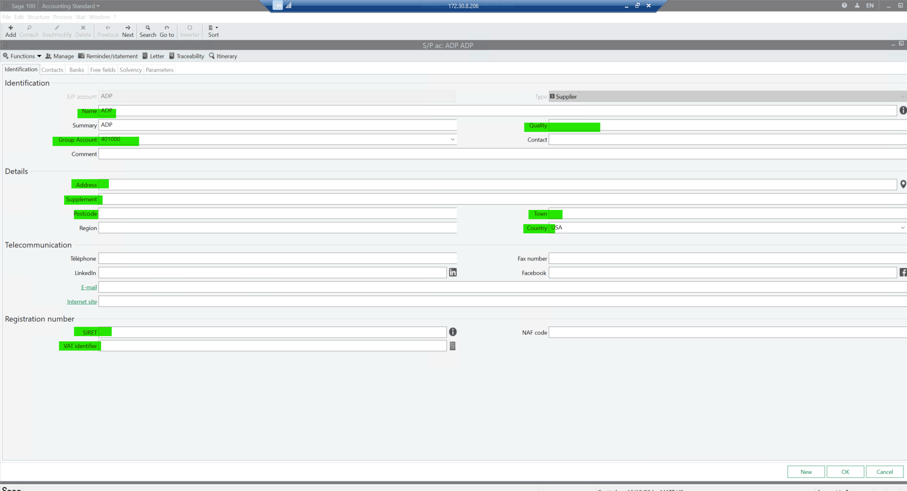
Name : | Supplier name
Quality: | Enter a letter to indicate whether it is a legal entity or a natural person. | Legal Entity | M | without spaces or any other character
 |  | Natural Person | P | without spaces or any other character
Group account: | select the good account if not specified
Adress details: | Enter the full supplier's address
Registration number:
SIRET | registration number (EIN) |  |  | DUNS goes on free fields tab, not required for individuals
VAT identifier | VAT number ONLY for EU companies |  |  | mandatory for EU companies, not required for individuals

BANKS TAB
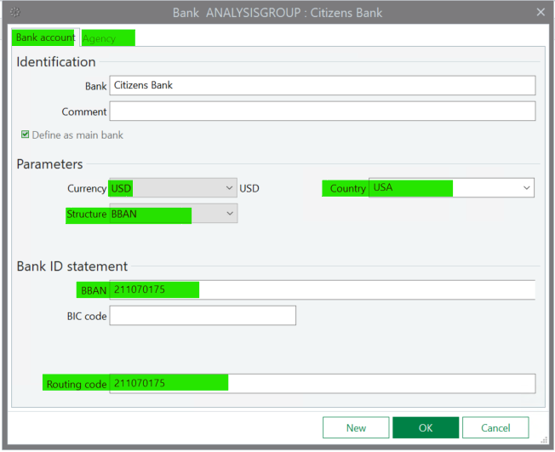
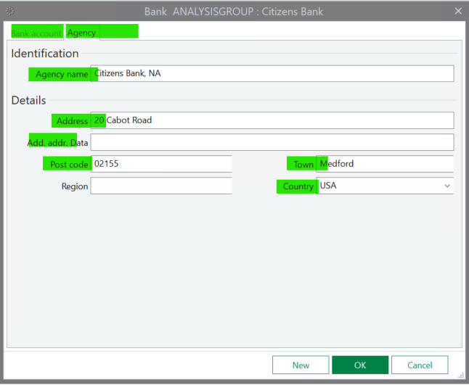
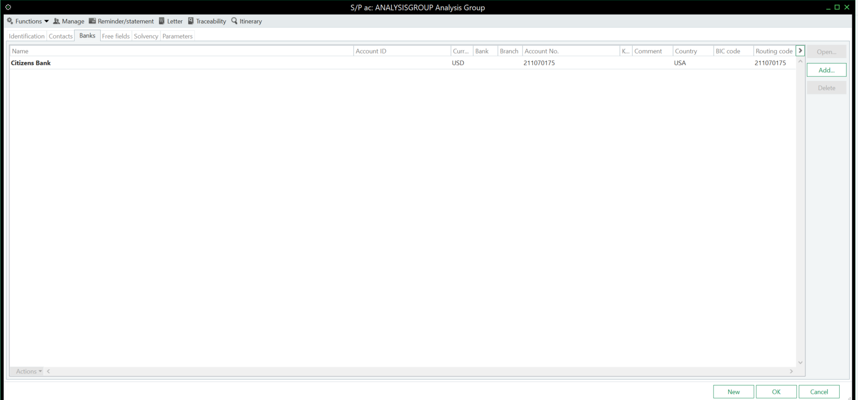
Bank name and Bank account detail need to be completed: | Bank name and full adress need to be completed:

FREE FIELDS TAB
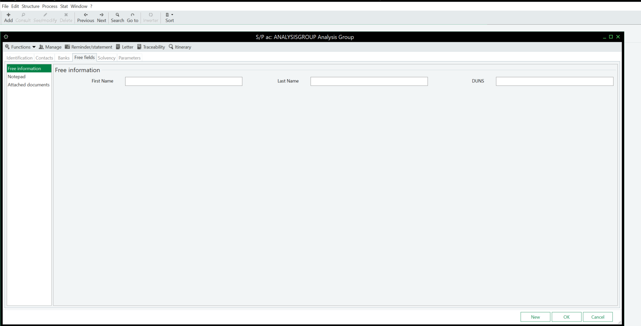
First name and Last name: | used when supplier is a natural person
DUNS: | When you have the information, please fill in this field.

